Figures
Figure A. PCE Eligible Communities

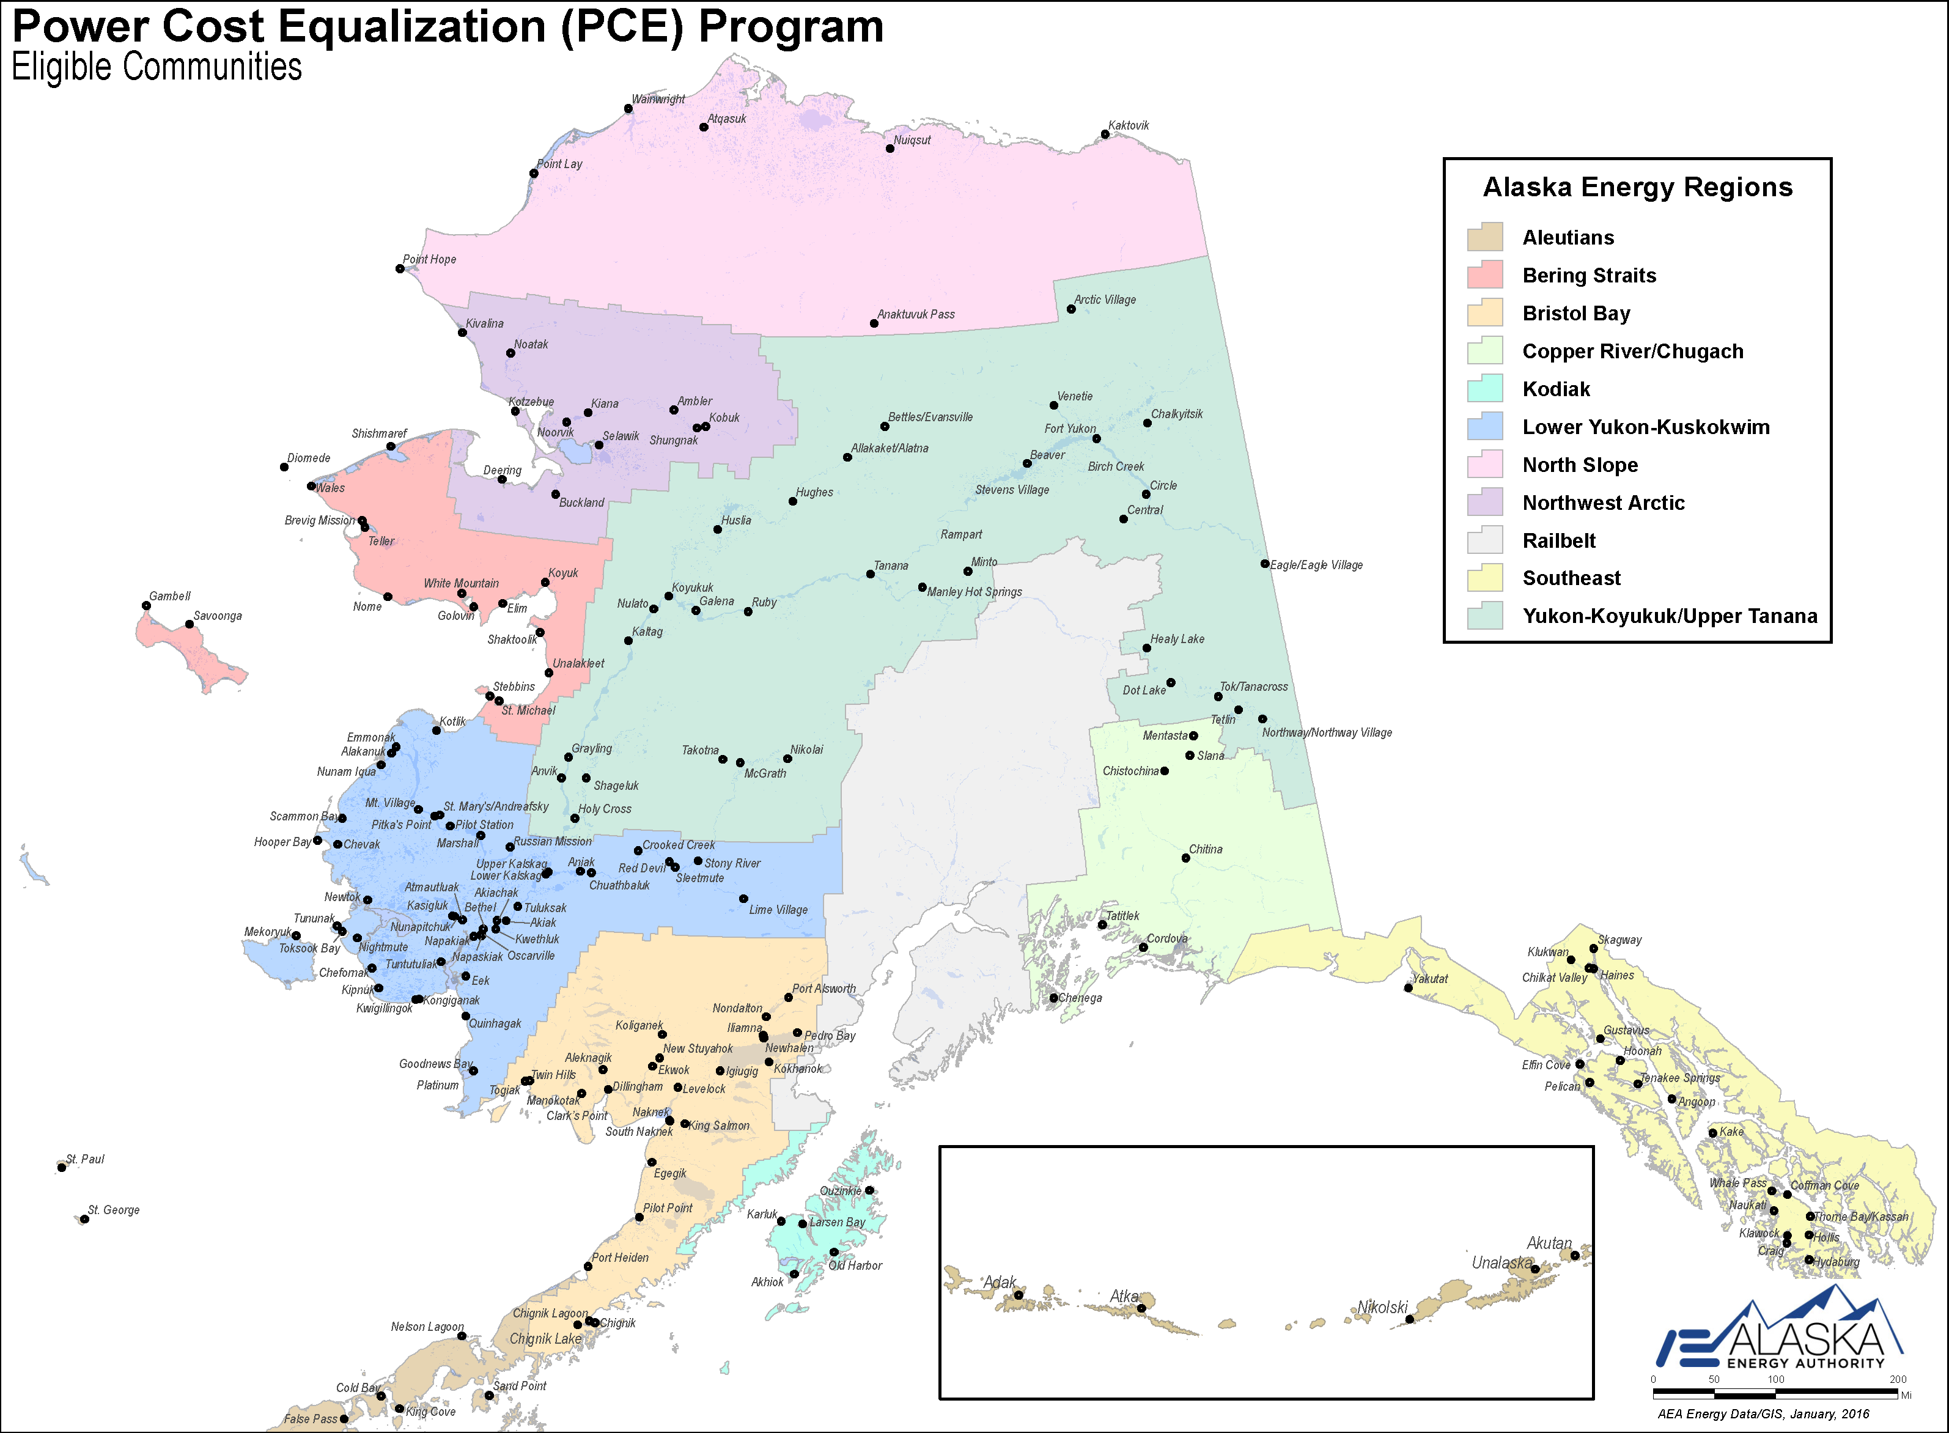
 |  |  |  |  |  | Community Name | Effective | PCE
 |  |  |  |  |  | Healy Lake | 1.07 | 0.74
 |  |  |  |  |  | Lime Village | 0.96 | 0.82
 |  |  |  |  |  | Perryville | 0.62 | 0.33
 |  |  |  |  |  | Koyukuk | 0.54 | 0.41
 |  |  |  |  |  | Atmautluak | 0.44 | 0.36
 |  |  |  |  |  | Elfin Cove | 0.43 | 0.36
 |  |  |  |  |  | Port Heiden | 0.42 | 0.33
 |  |  |  |  |  | Ruby | 0.42 | 0.42
 |  |  |  |  |  | Takotna | 0.42 | 0.60
 |  |  |  |  |  | Newhalen | 0.41 | 0.19
 |  |  |  |  |  | Adak | 0.40 | 0.75
 |  |  |  |  |  | Twin Hills | 0.40 | 0.44
 |  |  |  |  |  | Chalkyitsik | 0.38 | 0.57
 |  |  |  |  |  | Larsen Bay | 0.38 | 0.06
 |  |  |  |  |  | Venetie | 0.38 | 0.52
 |  |  |  |  |  | Galena | 0.35 | 0.32
 |  |  |  |  |  | Tatitlek | 0.35 | 0.54
 |  |  |  |  |  | Chignik Lagoon | 0.34 | 0.39
 |  |  |  |  |  | Chefornak | 0.34 | 0.49
 |  |  |  |  |  | Pedro Bay | 0.34 | 0.57
 |  |  |  |  |  | Beaver | 0.33 | 0.57
 |  |  |  |  |  | Egegik | 0.33 | 0.53
 |  |  |  |  |  | Kokhanok | 0.33 | 0.57
 |  |  |  |  |  | Saint George | 0.33 | 0.66
 |  |  |  |  |  | McGrath | 0.32 | 0.42
 |  |  |  |  |  | Nelson Lagoon | 0.32 | 0.52
 |  |  |  |  |  | Manley Hot Springs | 0.32 | 0.62
 |  |  |  |  |  | Napaskiak | 0.31 | 0.39
 |  |  |  |  |  | Chignik Lake | 0.30 | 0.56
 |  |  |  |  |  | Chitina | 0.30 | 0.39
 |  |  |  |  |  | Gustavus | 0.30 | 0.17
 |  |  |  |  |  | Kongiganak | 0.30 | 0.35
 |  |  |  |  |  | White Mountain | 0.30 | 0.32
 |  |  |  |  |  | Tenakee Springs | 0.28 | 0.45
 |  |  |  |  |  | Aniak | 0.27 | 0.49
 |  |  |  |  |  | Cordova | 0.27 | 0.15
 |  |  |  |  |  | Golovin | 0.27 | 0.33
Source: Power Cost Equalization Program, Alaska Energy Authority. |  |  |  |  |  | Manokotak | 0.27 | 0.28
 |  |  |  |  |  | Tanana | 0.27 | 0.45
Figure B. Residential Electricity Rates in Power Cost Equalization Communities |  |  |  |  |  | Circle | 0.26 | 0.52
 |  |  |  |  |  | Igiugig | 0.26 | 0.55
 |  |  |  |  |  | Deering | 0.26 | 0.44
 |  |  |  |  |  | Napakiak | 0.26 | 0.59
 |  |  |  |  |  | Karluk | 0.25 | 0.46
 |  |  |  |  |  | Central | 0.25 | 0.47
 |  |  |  |  |  | Nikolai | 0.25 | 0.65
 |  |  |  |  |  | Tuluksak | 0.25 | 0.43
 |  |  |  |  |  | Unalaska | 0.25 | 0.23
 |  |  |  |  |  | Akiachak | 0.23 | 0.37
 |  |  |  |  |  | Akiak | 0.23 | 0.40
 |  |  |  |  |  | Allakaket | 0.23 | 0.64
 |  |  |  |  |  | Bettles | 0.22 | 0.50
 |  |  |  |  |  | Chistochina | 0.22 | 0.49
 |  |  |  |  |  | Eagle | 0.22 | 0.45
 |  |  |  |  |  | Mentasta Lake | 0.22 | 0.49
 |  |  |  |  |  | Northway Village | 0.22 | 0.49
 |  |  |  |  |  | Slana | 0.22 | 0.49
 |  |  |  |  |  | Angoon | 0.22 | 0.43
 |  |  |  |  |  | Chilkat Valley | 0.22 | 0.43
 |  |  |  |  |  | Hoonah | 0.22 | 0.43
 |  |  |  |  |  | Kake | 0.22 | 0.43
 |  |  |  |  |  | Klukwan | 0.22 | 0.43
 |  |  |  |  |  | King Cove | 0.22 | 0.08
 |  |  |  |  |  | Chuathbaluk | 0.22 | 0.67
 |  |  |  |  |  | Crooked Creek | 0.22 | 0.66
Source: Power Cost Equalization Program, Alaska Energy Authority and author's calculations |  |  |  |  |  | Red Devil | 0.22 | 0.65
 |  |  |  |  |  | Sleetmute | 0.22 | 0.67
Figure C. Installed Capacity by Prime Mover by Certified Utilities (kW), 2013 |  | Prime Mover | Total kW | Percent of Statewide Total |  | Stony River | 0.22 | 0.68
 |  | Fossil Fuel Turbines | 1,539,100 | 61% |  | Naukati Bay | 0.21 | 0.37
 |  | Reciprocating Internal Combustion Engine | 448,790 | 18% |  | Whale Pass | 0.21 | 0.38
 |  | Hydroelectric | 438,840 | 17% |  | Ambler | 0.21 | 0.45
 |  | Wind | 68,260 | 2.7% |  | Anvik | 0.21 | 0.44
 |  | Other | 30,210 | 1.2% |  | Ekwok | 0.21 | 0.49
 |  | Total | 2,525,210 |  |  | Elim | 0.21 | 0.40
 |  |  |  |  |  | Goodnews Bay | 0.21 | 0.42
 |  |  |  |  |  | Kotlik | 0.21 | 0.41
 |  |  |  |  |  | Marshall | 0.21 | 0.39
 |  |  |  |  |  | Mountain Village | 0.21 | 0.40
 |  |  |  |  |  | Noatak | 0.21 | 0.66
 |  |  |  |  |  | Old Harbor | 0.21 | 0.42
 |  |  |  |  |  | Scammon Bay | 0.21 | 0.43
 |  |  |  |  |  | Shageluk | 0.21 | 0.45
 |  |  |  |  |  | Shungnak | 0.21 | 0.51
 |  |  |  |  |  | Wales | 0.21 | 0.48
 |  |  |  |  |  | Buckland | 0.21 | 0.26
 |  |  |  |  |  | Chignik | 0.21 | 0.34
 |  |  |  |  |  | Kobuk | 0.21 | 0.51
 |  |  |  |  |  | Unalakleet | 0.21 | 0.21
 |  |  |  |  |  | Dot Lake Village | 0.20 | 0.28
Source: U.S. Energy Information Administration, Alaska Energy Authority Village Assessment Preliminary Dataset, and author's calculations. Values are rounded to the nearest 10. |  |  |  |  |  | Tetlin | 0.20 | 0.28
 |  |  |  |  |  | Tok | 0.20 | 0.28
Figure D. Installed Capacity by Prime Mover by Certified Utilities (kW), 1962-2013 |  |  |  |  |  | Alakanuk | 0.20 | 0.41
 |  |  |  |  |  | Brevig Mission | 0.20 | 0.38
 | Fossil Fuel Turbines | Internal Combustion | Hydroelectric | Wind
1963 | 72,575 | 47,368 | 82,300
1964 | 86,800 | 49,482 | 82,300
1965 | 101,150 | 59,437 | 82,225
1966 | 102,650 | 69,273 | 82,225
1967 | 102,650 | 81,023 | 76,600
1968 | 171,450 | 89,538 | 78,700
1969 | 171,450 | 98,963 | 76,600
1970 | 206,740 | 123,256 | 76,600
1971 | 257,053 | 140,627 | 75,275
1972 | 314,389 | 144,975 | 74,275
1973 | 381,350 | 147,700 | 121,000
1974 | 453,324 | 148,054 | 122,260
1975 | 464,257 | 176,706 | 122,535
1976 | 643,454 | 205,110 | 123,235
1977 | 692,074 | 223,736 | 122,460
1978 | 788,614 | 221,516 | 122,460
1979 | 900,914 | 233,611 | 123,310
1980 | 924,174 | 237,703 | 123,360
1981 | 1,008,374 | 251,745 | 123,690
1982 | 1,008,274 | 255,790 | 154,280
1983 | 1,028,574 | 269,683 | 153,780
1984 | 1,105,654 | 276,841 | 222,990
1985 | 1,078,100 | 299,614 | 224,000
1986 | 1,126,100 | 317,500 | 225,600
1987 | 1,111,600 | 316,148 | 227,625
1988 | 1,049,400 | 325,924 | 228,360
1989 | 1,038,700 | 311,301 | 260,965
1990 | 1,036,100 | 312,760 | 255,907
1991 | 1,042,700 | 324,851 | 365,607
1992 | 1,045,500 | 328,758 | 365,632
1993 | 1,040,700 | 336,430 | 364,357
1994 | 1,060,200 | 345,383 | 365,482
1995 | 1,060,200 | 347,393 | 369,982
1996 | 1,295,925 | 418,449 | 364,461
1997 | 1,247,850 | 335,392 | 377,094 | 195
1998 | 1,292,925 | 458,173 | 373,685 | 325
1999 | 1,295,725 | 472,903 | 388,085 | 780
2000 | 1,300,925 | 493,437 | 400,085 | 780
2001 | 1,339,150 | 475,736 | 443,442 | 780
2002 | 1,360,100 | 317,300 | 400,100 | 880
2003 | 1,246,900 | 323,600 | 400,100 | 1140
2004 | 1,246,900 | 323,600 | 400,100 | 1140
2005 | 1,176,200 | 317,900 | 395,100 | 1270
2006 | 1,186,300 | 325,500 | 396,300 | 2355
2007 | 1,294,800 | 335,500 | 396,300 | 2355
2008 | 1,294,800 | 359,300 | 399,300 | 3330
2009 | 1,294,800 | 434,464 | 441,179 | 7884
2010 | 1,295,200 | 453,564 | 441,929 | 11706.6
2011 | 1,295,200 | 449,839 | 432,159 | 13846
2012 | 1,295,200 | 458,294 | 438,035 | 65824
...
 |  |  |  |  |  | Chevak | 0.20 | 0.33
 |  |  |  |  |  | Eek | 0.20 | 0.43
 |  |  |  |  |  | Emmonak | 0.20 | 0.37
 |  |  |  |  |  | Gambell | 0.20 | 0.34
 |  |  |  |  |  | Grayling | 0.20 | 0.43
 |  |  |  |  |  | Holy Cross | 0.20 | 0.39
 |  |  |  |  |  | Hooper Bay | 0.20 | 0.36
 |  |  |  |  |  | Huslia | 0.20 | 0.40
 |  |  |  |  |  | Kalskag | 0.20 | 0.41
 |  |  |  |  |  | Kaltag | 0.20 | 0.38
 |  |  |  |  |  | Kasigluk | 0.20 | 0.37
 |  |  |  |  |  | Kiana | 0.20 | 0.44
 |  |  |  |  |  | Kivalina | 0.20 | 0.45
 |  |  |  |  |  | Koyuk | 0.20 | 0.40
 |  |  |  |  |  | Lower Kalskag | 0.20 | 0.41
 |  |  |  |  |  | Mekoryuk | 0.20 | 0.36
 |  |  |  |  |  | Minto | 0.20 | 0.41
Source: U.S. Energy Information Administration, Alaska Energy Authority Village Assessment Preliminary Dataset, and author's calculations |  |  |  |  |  | New Stuyahok | 0.20 | 0.44
 |  |  |  |  |  | Nightmute | 0.20 | 0.35
Figure E. Net Generation by Fuel Type by Certified Utilities (MWh), 2013 |  |  |  |  |  | Noorvik | 0.20 | 0.45
 |  |  |  |  |  | Nulato | 0.20 | 0.40
Oil | 843,465
Gas | 3,284,936
Coal | 378,907
Hydro | 1,545,495
Wind | 154,389
 |  |  |  |  |  | Nunapitchuk | 0.20 | 0.37
 |  |  |  |  |  | Pilot Station | 0.20 | 0.38
 |  |  |  |  |  | Pitkas Point | 0.20 | 0.39
 |  |  |  |  |  | Quinhagak | 0.20 | 0.32
 |  |  |  |  |  | Russian Mission | 0.20 | 0.40
 |  |  |  |  |  | Saint Mary's | 0.20 | 0.39
 |  |  |  |  |  | Saint Michael | 0.20 | 0.40
 |  |  |  |  |  | Savoonga | 0.20 | 0.34
 |  |  |  |  |  | Selawik | 0.20 | 0.41
 |  |  |  |  |  | Shaktoolik | 0.20 | 0.37
 |  |  |  |  |  | Shishmaref | 0.20 | 0.40
 |  |  |  |  |  | Stebbins | 0.20 | 0.40
 |  |  |  |  |  | Teller | 0.20 | 0.43
 |  |  |  |  |  | Togiak | 0.20 | 0.42
 |  |  |  |  |  | Toksook Bay | 0.20 | 0.35
 |  |  |  |  |  | Tununak | 0.20 | 0.35
 |  |  |  |  |  | Cold Bay | 0.20 | 0.52
Source: U.S. Energy Information Administration; Power Cost Equalization, Alaska Energy Authority; and author's calculations |  |  |  |  |  | Kipnuk | 0.20 | 0.23
 |  |  |  |  |  | Kwigillingok | 0.20 | 0.41
Figure F. Net Generation by Fuel Type by Certified Utilities (GWh), 1971-2013 |  |  |  |  |  | Nome | 0.20 | 0.17
 |  |  |  |  |  | Nunam Iqua | 0.20 | 0.33
 | Oil | Gas | Coal | Hydro | Wind
1971 | 195 | 614 | 262
1972 | 193 | 748 | 266
1973 | 189 | 950 | 267
1974 | 203 | 1,047 | 299 | 319
1975 | 277 | 1,311 | 323 | 351
1976 | 351 | 1,468 | 314 | 369
1977 | 378 | 1,537 | 297 | 498
1978 | 388 | 1,690 | 323 | 463
1979 | 383 | 1,827 | 308 | 450
1980 | 368 | 1,844 | 290 | 532
1981 | 338 | 1,897 | 338 | 581
1982 | 466 | 2,211 | 354 | 576
1983 | 526 | 2,338 | 331 | 586
1984 | 541 | 2,512 | 308 | 696
1985 | 538 | 2,631 | 290 | 775
1986 | 535 | 2,749 | 272 | 854
1987 | 459 | 2,790 | 276 | 898
1988 | 451 | 2,767 | 295 | 989
1989 | 486 | 2,875 | 307 | 935
1990 | 449 | 2,886 | 316 | 1,024
1991 | 547 | 2,666 | 323 | 1,085
1992 | 530 | 2,569 | 302 | 1,337
1993 | 575 | 2,476 | 322 | 1,359
1994 | 593 | 2,654 | 294 | 1,384
1995 | 591 | 2,660 | 309 | 1,459
1996 | 643 | 2,844 | 229 | 1,266
1997 | 741 | 3,031 | 237 | 1,099
1998 | 757 | 2,549 | 171 | 1,113
1999 | 798 | 2,838 | 156 | 817
2000 | 557 | 3,194 | 185 | 1,002
2001 | 848 | 3,028 | 194 | 1,346 | 1
2002 | 875 | 2,953 | 205 | 1,439
2003 | 775 | 3,148 | 168 | 1,583
2004 | 682 | 3,475 | 211 | 1,498
2005 | 686 | 3,577 | 219 | 1,464 | 0.589
2006 | 694 | 3,940 | 210 | 1,224 | 0.788001
2007 | 853 | 3,788 | 214 | 1,291
2008 | 928 | 3,942 | 220 | 1,172 | 2.25
2009 | 1,183 | 3,519 | 422 | 1,309 | 9.152
2010 | 953 | 3,690 | 394 | 1,429 | 20.348
2011 | 1,020 | 3,783 | 387 | 1,340 | 21.194265
2012 | 1,063 | 3,495 | 417 | 1,646 | 57.862
2013 | 843 | 3,285 | 379 | 1,545 | 154.389
 |  |  |  |  |  | Pelican | 0.20 | 0.41
 |  |  |  |  |  | Port Alsworth | 0.2 | 0.48
 |  |  |  |  |  | Newtok | 0.20 | 0.60
 |  |  |  |  |  | Fort Yukon | 0.19 | 0.49
 |  |  |  |  |  | Kwethluk | 0.19 | 0.33
 |  |  |  |  |  | Levelock | 0.19 | 0.51
 |  |  |  |  |  | Naknek | 0.19 | 0.39
 |  |  |  |  |  | Sand Point | 0.19 | 0.39
 |  |  |  |  |  | Tuntutuliak | 0.19 | 0.46
 |  |  |  |  |  | Yakutat | 0.19 | 0.33
 |  |  |  |  |  | Coffman Cove | 0.18 | 0.07
 |  |  |  |  |  | Craig | 0.18 | 0.07
 |  |  |  |  |  | Haines | 0.18 | 0.07
 |  |  |  |  |  | Hollis | 0.18 | 0.07
 |  |  |  |  |  | Hydaburg | 0.18 | 0.07
 |  |  |  |  |  | Klawock | 0.18 | 0.07
 |  |  |  |  |  | Skagway | 0.18 | 0.07
 |  |  |  |  |  | Thorne Bay | 0.18 | 0.07
Source: U.S. Energy Information Administration; Power Cost Equalization, Alaska Energy Authority; and author's calculations |  |  |  |  |  | Chenega Bay | 0.17 | 0.46
 |  |  |  |  |  | Kotzebue | 0.17 | 0.25
Figure G. Distribution of Fuel Used for Power Generation by Certified Utilities (MMBtu), 2013 |  |  |  |  |  | Dillingham | 0.17 | 0.28
 |  |  |  |  |  | Ouzinkie | 0.17 | 0.24
Oil | 8,468,371
Gas | 33,724,806
Coal | 7,711,758
 |  |  |  |  |  | Saint Paul | 0.17 | 0.36
 |  |  |  |  |  | Atka | 0.16 | 0.57
 |  |  |  |  |  | Bethel | 0.16 | 0.40
 |  |  |  |  |  | Pilot Point | 0.15 | 0.35
 |  |  |  |  |  | Akutan | 0.14 | 0.18
 |  |  |  |  |  | Diomede | 0.14 | 0.46
 |  |  |  |  |  | False Pass | 0.14 | 0.28
 |  |  |  |  |  | Hughes | 0.14 | 0.57
 |  |  |  |  |  | Koliganek | 0.14 | 0.36
 |  |  |  |  |  | Nikolski | 0.14 | 0.46
 |  |  |  |  |  | Anaktuvuk Pass | 0.14 | 0.01
 |  |  |  |  |  | Atqasuk | 0.14 | 0.01
 |  |  |  |  |  | Kaktovik | 0.14 | 0.01
 |  |  |  |  |  | Point Hope | 0.14 | 0.01
 |  |  |  |  |  | Point Lay | 0.14 | 0.01
Source: U.S. Energy Information Administration; Power Cost Equalization, Alaska Energy Authority; and author's calculations |  |  |  |  |  | Wainwright | 0.14 | 0.01
 |  |  |  |  |  | Nuiqsut | 0.08 | 0.00
Figure H. Fuel Oil Used for Electricity Generation by Certified Utilities, by Energy Regions (%), 2013

Aleutians | 4,305,590
Bering Straits | 3,520,839
Bristol Bay | 3,594,869
Copper River/Chugach | 4,311,653
Kodiak | 609,175
Lower Yukon-Kuskokwim | 7,183,921
North Slope | 2,161,074
Northwest Arctic | 2,458,798
Railbelt | 27,578,544
Southeast | 2,407,106
Yukon-Koyukuk/Upper Tanana | 2,791,963

Source: U.S. Energy Information Administration; Power Cost Equalization, Alaska Energy Authority; and author's calculations

Figure I. Distribution of Sales, Revenue and Customer by Customer Type by Certified Utilities (%), 2013 |  | Residential | Commercial | Other | Residential | Commercial | Other
 | Sales | 2,102,047 | 2,724,924 | 1,382,474 | 34% | 44% | 22%
 | Revenue | 386,713 | 419,523 | 243,158 | 37% | 40% | 23%
 | Customers | 278,795 | 46,889 | 4,577 | 84% | 14% | 1%

Source: U.S. Energy Information Administration; Power Cost Equalization, Alaska Energy Authority; and author's calculations

Figure J. Wind Net Generation in Alaska, 2008-2013
 | Net Generation
2008 | 2.25
2009 | 9.15
2010 | 20.35
2011 | 21.19
2012 | 57.86
2013 | 154.39

Source: U.S. Energy Information Administration; Power Cost Equalization, Alaska Energy Authority; and author's calculations

